02 - Final Assignment
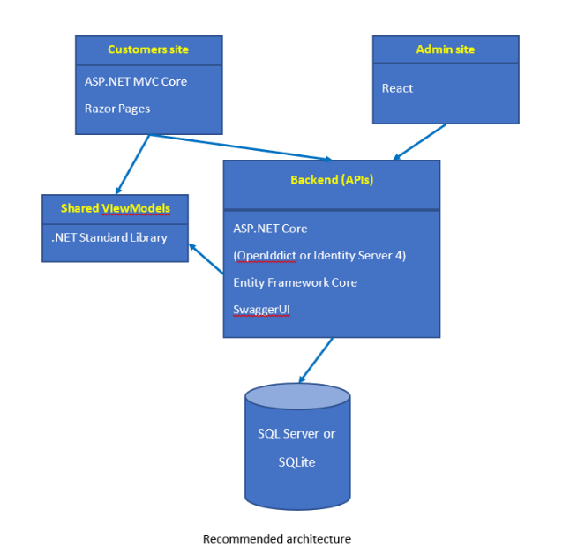
Objective: | Each person is to build an ecommerce web site with minimum functionality below:
 | For customers:
 | - Home page: category menu, features products
 | - View products by category
 | - View product details
 | - Product rating
 | - Register
 | - Login/Logout
 | + Optional (shopping cart, ordering, IdentityServer4)
 | For admin:
 | - Login/logout
 | - Manage product categories (Name, Description)
 | - Manage products (Name, Category, Description, Price, Images, CreatedDate, UpdatedDate)
 | - View customers
 | The project should apply as many techniques of ASP.NET MVC Core as possible. For example: TagHelpers, Razor Pages, ViewComponents and have Unit Test. The Unit Test do not need to have a high coverage number but should demonstrate the ability to write unit test for common components: Controllers, ViewComponents, Services, …
Source code storage | - GitHub Repository URL: Each person is to create a personal repo and commit the code into it. Provide the Repo URL in the summary sheet
Assessment | a. Source code review: trainer is to review the source code which is submitted.
 | b. Presentation: At the end of program, each trainee will present what they do and answer the questions from the interviewer. It is to ensure that the trainees undestand what they have been implemented
Scoring portions | • 15% commit quality: For example, the code should be checked-in everyday, comments of commits, quality of commit history.
 | • 55% runnable and meet all the requirement.
 | • 30% quality of the presentation. Based on the interviewer assessment.

